Sheet1
DOCUMENT PREVIEW | ITEM NO. | PART NUMBER | DESCRIPTION | QTY. | MFP | VENDORS
 | 1 | 18X37-EDGE-A |  | 1
 | 2 | 18X37-EDGE-B |  | 1
 | 3 | 18X37-LINK |  | 25
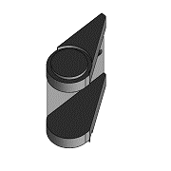 | 4 | 25X38-EDGE-A^25X38- CABLE CARRIER |  | 1
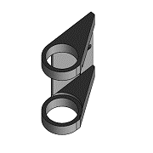 | 5 | 25X38-EDGE-B^25X38- CABLE CARRIER |  | 1
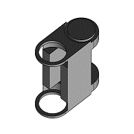 | 6 | 25X38-LINK^25X38- CABLE CARRIER |  | 25
 | 7 | BODY^QKG50 |  | 1
 | 8 | BODY^QKG80 |  | 1
 | 9 | CNCR-BF-000-1 | 60X60 SLOT 8 EXTRUSION | 4
 | 10 | CNCR-BF-000-2 | UJ-R | 2
 | 11 | CNCR-BF-000-2 | UJ-SHORT | 6
 | 12 | CNCR-BF-000-2 | UJ-L | 2
 | 13 | CNCR-BF-000-2 | 30X60 SLOT 8 EXTRUSION | 4
 | 14 | CNCR-BF-002 | STIFFENING PLATE | 2 | SHEET METAL
 | 15 | CNCR-BF-003 | 30X60 SLOT 8 EXTRUSION | 2
 | 16 | CNCR-BF-004 | SUPPORT PLATE-FLOATING | 1 | MACHINED
 | 17 | CNCR-BF-004-MIRROR | SUPPORT PLATE-FLOATING | 1 | MACHINED
 | 18 | CNCR-BF-005 | SUPPORT PLATE-FIXED | 1 | CNC MACHINING
 | 19 | CNCR-BF-005-MIRROR | SUPPORT PLATE-FIXED | 1 | CNC MACHINING
 | 20 | CNCR-BF-006 | SPACER | 8 | CNC MACHINING
 | 21 | CNCR-BF-007 | FRAME | 1
 | 22 | CNCR-BF-008 | LIMIT SWITCH HOLDER | 2 | 3D PRINTING
 | 23 | CNCR-BP-000 | BUILD PLATE | 1
 | 24 | CNCR-BP-001 |  | 1
 | 25 | CNCR-CC-001 |  | 6
 | 26 | CNCR-CV-000 | MOTOR COVER | 4 | 3D PRINTING
 | 27 | CNCR-CV-001 | COVER | 1 | SHEET METAL
 | 28 | CNCR-CV-003 | COVER | 1 | SHEET METAL
 | 29 | CNCR-CV-004 | CABLE CHAIN MOUNT | 1
 | 30 | CNCR-CV-005 | FRONT COVER | 2 | 3D PRINTING
 | 31 | CNCR-CV-006-X-1 |  | 1
 | 32 | CNCR-CV-006-X-2 |  | 1
 | 33 | CNCR-CV-006-Y-1 |  | 1
 | 34 | CNCR-CV-006-Y-1- MIRROR |  | 1
 | 35 | CNCR-CV-006-Y-2 |  | 1
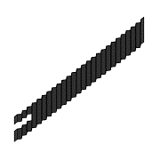 | 36 | CNCR-CV-006-Y- 2_MIRROR |  | 1
 | 37 | CNCR-CV-007 | BEARING COVER | 1 | 3D PRINTING
 | 38 | CNCR-GT-000-1 | 60X60 SLOT 8 PROFILE | 1
 | 39 | CNCR-GT-000-2 | 30X60 SLOT 8 PROFILE | 1 |  | CNCCAT
 | 40 | CNCR-GT-000-3 | 30X60 SLOT 8- MODIFIED | 1 | CNCCAT
 | 41 | CNCR-GT-000-3 | 30X60 SLOT 8- MODIFIED | 3 | CNCCAT
 | 42 | CNCR-GT-000-3 | 30X60 SLOT 8- MODIFIED | 1 | CNCCAT
 | 43 | CNCR-GT-001 | STIFFENING PLAATE | 1 | SHEET METAL
 | 44 | CNCR-GT-002 | CABLE CARRIER HOLDER | 1 | 3D PRINTING
 | 45 | CNCR-GT-003 | GANTRY CARRIAGE | 1 | MACHINED
 | 46 | CNCR-GT-004 | GANTRY SIDE PLATE-FIXED | 1 | MACHINED
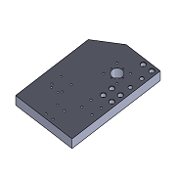 | 47 | CNCR-GT-005 | GANTRY SIDE PLATE- FLOATING | 1 | MACHINED
 | 48 | CNCR-GT-007 | SPACER | 4 | MACHINED
 | 49 | CNCR-SC-000 | EXTRUSION FRAME | 1
 | 50 | CNCR-SC-002 | BEARING PLATE - FIXED | 1 | CNC MACHINING
 | 51 | CNCR-SC-003 | SPACER | 4 | MACHINED
 | 52 | CNCR-SC-004 | SPINDLE MOUNTING PLATE | 1 | CNC MACHINING
 | 53 | CNCR-SC-006 | BEARING BLOCK-FLAOTING | 1 | CNC MACHINING
 | 54 | CNCR-SC-008 | BEARING SPACER | 1 | 3D PRINTING
 | 55 | CNCR-SC-009 | LIMIT SWITCH HOLDER | 2 | 3D PRINTING
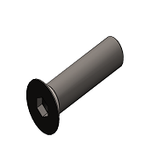 | 56 | DIN 7991 - M6 x 16 --- 9.7N |  | 10
 | 57 | DIN 912 M4 x 16 --- 16N |  | 16
 | 58 | DIN 912 M4 x 20 --- 20N |  | 16
 | 59 | DIN 912 M5 x 12 --- 12N |  | 4
 | 60 | DIN 912 M5 x 16 --- 16N |  | 92
 | 61 | DIN 912 M5 x 20 --- 20N |  | 40
 | 62 | DIN 912 M5 x 25 --- 25N |  | 20
 | 63 | DIN 912 M5 x 35 --- 22N |  | 4
 | 64 | DIN 912 M6 x 12 --- 12N |  | 17
 | 65 | DIN 912 M6 x 16 --- 16N |  | 3
 | 66 | DIN 912 M6 x 20 --- 20N |  | 72
 | 67 | DIN 912 M8 x 12 --- 12N |  | 16
 | 68 | DIN 912 M8 x 20 --- 20N |  | 32
 | 69 | DIN 912 M8 x 25 --- 25N |  | 28
 | 70 | DIN 912 M8 x 30 --- 30N |  | 24
 | 71 | DIN 912 M8 x 40 --- 28N |  | 8
 | 72 | DSG16H | BALL NUT HOUSING | 4
 | 73 | FF12 | SUPPORT UNIT-FLOATING | 4
 | 74 | FK12 | SUPPORT UNIT-FIXED | 4
 | 75 | Flex_segment^YS-BPV- 3000-KPL |  | 8
 | 76 | HGH20CA-BLOCK | LINEAR GUIDE BLOCK | 12 |  | HLTNC
 | 77 | HGR20-RAIL-X | LINEAR RAIL | 2
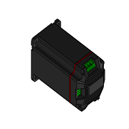 | 78 | HLTNC-NEMA23-ISC- 2NM | INTEGRATED STEPPER MOTOR | 4
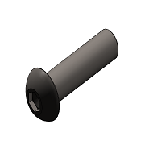 | 79 | ISO 7380 - M5 x 10 - 10N |  | 36
 | 80 | ISO 7380 - M5 x 12 - 12N |  | 36
 | 81 | ISO 7380 - M6 x 12 - 12N |  | 40
 | 82 | ISO 7380 - M8 x 16 - 16N |  | 16
 | 83 | JAW^QKG50 |  | 1
 | 84 | JAW^QKG80 |  | 1
 | 85 | LINEAR RAIL-Y-HGR20 |  | 2
 | 86 | LINEAR RAIL-Z-HGR20 |  | 2
 | 87 | MirrorCNCR-CV-001 |  | 1
 | 88 | MirrorSLOT8-T-NUT-M5- SMALL |  | 9
 | 89 | Nozzle^YS-BPV-3000- KPL |  | 1
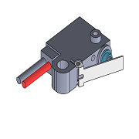 | 90 | OMRON-D2HW- C212MR | LIMIT SWITCH | 4 |  | TME
 | 91 | PIPE^YS-BPV-3000-KPL |  | 1
 | 92 | SFU16-NUT | BALLSCREW NUT | 4
 | 93 | SFU16-SCREW | BALLSCREW | 2 | OFF THE SHELF | MHCN (ALIEXPRESS)
 | 94 | SFU16-SCREW | BALLSCREW | 1 | OFF THE SHELF | MHCN (ALIEXPRESS)
 | 95 | SFU16-SCREW | BALLSCREW | 1 | OFF THE SHELF | MHCN (ALIEXPRESS)
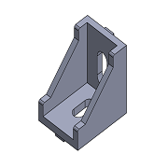 | 96 | SLOT8-3030-ANGLE 90 | EXTRUSION SYSTEM FASTENER | 20
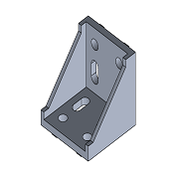 | 97 | SLOT8-6060-ANGLE 90 | EXTRUSION SYSTEM FASTENER | 4 |  | ALIEXPERSS
 | 98 | SLOT8-T-NUT-M5-SMALL | T-NUT | 123
 | 99 | SLOT8-T-NUT-M6-SMALL | T-NUT | 134 |  | CNCCAT
 | 100 | SLOT8-T-NUT-M8-SMALL | T-NUT | 56 |  | ALIEXPRESS
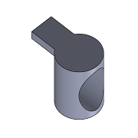 | 101 | SLOT8-UNIVERSAL JOINT | UNIVERSAL JOINT | 60 |  | CNCCAT
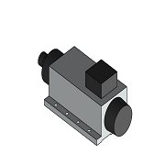 | 102 | STEPPERONLINE- GDZL80X73-2.2KW- AIRCOOLED | SPINDLE | 1
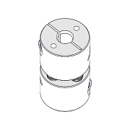 | 103 | STEPPERONLINE- MP2626-8-10 | DISC COUPLING | 4
 | 104 | Washer DIN 125 - A 5.3 |  | 86
 | 105 | Washer DIN 125 - A 6.4 |  | 48
 | 106 | Washer DIN 125 - A 8.4 |  | 16
 | 107 | YS-BPV-3000^YS-BPV- 3000-KPL |  | 1
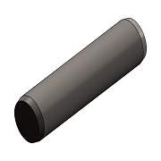 | 108 | parallel pin hardened_iso |  | 8

